Hoja1
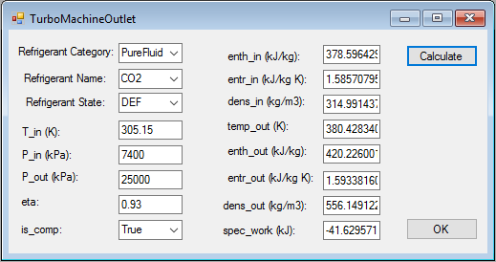
Reference sCO2 state for converting the Thermflow results to absolute results.
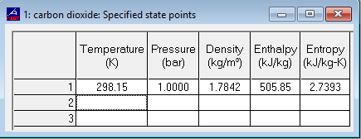

Thermoflow results | SI Units | British Units | 378.55
hin | -127.3 |  | 420.22
hout | -85.63
REFPROP reference sCO2 state at 298.15K and 1 bar
hin | 505.85
hout | 505.85
Absolute results
hin | 378.55 | 162.747206
hout | 420.22 | 180.662081

